Feuil1
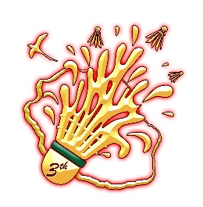
SAINT DENIS REUNION OPEN

Invitation letter
(Deadline 24 June 2024)

No. | FULL NAME | Date of Birth | Nationality | N° Passport | Expiry Date | Position
1 |  |  |  |  |  |  | Coach
2 |  |  |  |  |  |  | manager
3 |  |  |  |  |  |  | Player
4 |  |  |  |  |  |  | Presse
5 |  |  |  |  |  |  | Umpire
6 |  |  |  |  |  |  | Referee
7 |  |  |  |  |  |  | Physio
8 |  |  |  |  |  |  | Doctor
9
10

Please send this form to the following e-mail : ctrbadminton@lnbr.re not later than Wednesday 24 June 2024

