Feuil1
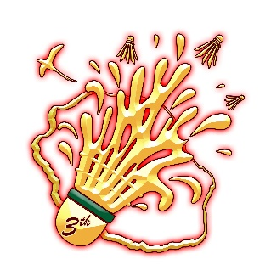
SAINT DENIS REUNION OPEN

Transportation Form
(Deadline 24 june 2024)

Badminton Association :
Contact Person (At Airport):
Contact Number (At Airport) :
Mobile Phone (At Airport) : (WhatsApp)

 | FULL NAME |  | ARRIVAL |  |  | DEPARTURE |  |  | Hôtel Officiel
No. | SURNAME | NAME | DATE | TIME | Airline & Flight N° | DATE | TIME | Airline & Flight N°
1
2 |  |  |  |  |  |  |  |  |  | Mercure Créolia
3 |  |  |  |  |  |  |  |  |  | Tulip Inn
4
5
6
7
8

This form should be completed and returned not later than 24 June 2024 to the following e-mail reunionopen@gmail.com

